Sheet1
Req ID | Scenario ID | Test Case ID | Title | Description (Optional) | Preconditions | Test Steps | Test Data | Expected Result | Actual Result | Status | Priorty | Type | screenshots
REQ01 | SCN01 | TC01 | createWithList users - valid data | reate multiple users with valid data | API is up | Send POST to /user list | Valid user list JSON | "code": 200, "type": "unknown", "message": "1001" | "code": 200, "type": "unknown", "message": "1001" } | pass | High | Positive
 |  | TC02 | createWithList users - missing required field | Try Create users with one missing required field | API is up | Send POST without username | Missing username field | 400 Bad Request | "code": 200, "type": "unknown", "message": "1001" } | fail | Medium | Negative | 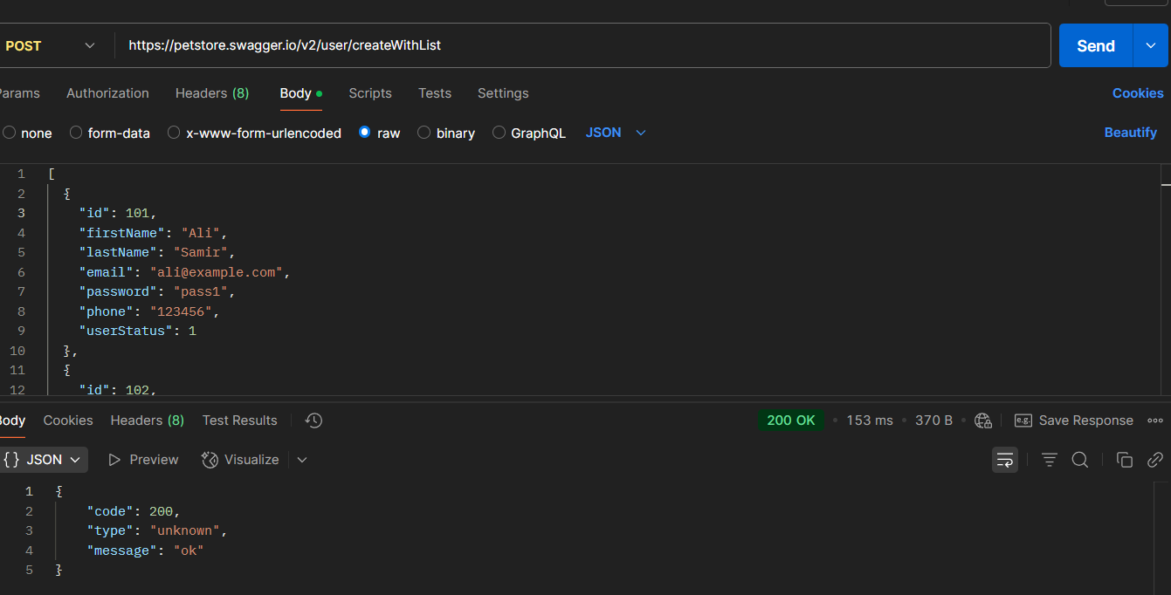
 |  | TC03 | createWithList users - Create empty list | Try creating user with Create empty list | API is up | Send POST with empty list | empty list | 400 Bad Request | "code": 200, "type": "unknown", "message": "1001" } | fail | Low | Negative | 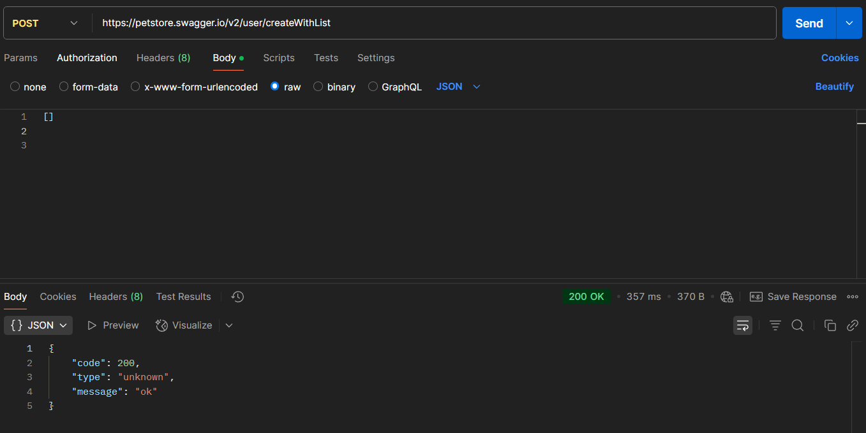
REQ02 | SCN02 | TC04 | Get existing user | Retrieve a valid existing user | User exists | Send GET to /user/testuser1 | testuser1 | 200 OK with user data | 200 OK with user data | pass | High | Positive
 |  | TC05 | Get non-existing user | Try to get a user that doesn’t exist | User does not exist | Send GET with invalid username | ghostuser | 404 Not Found | 404 Not Found | pass | Medium | Negative
 |  | TC06 | Get user - empty username | Send GET with empty username | API is up | Send GET /user/ |  | 405 Method Not Allowed | 405 Method Not Allowed | pass | Low | Negative
REQ03 | SCN03 | TC07 | Login valid user | Login using correct credentials | User exists | Send GET /user/login | testuser1 / 123456 | 200 OK with login message | 200 OK with login message | pass | High | Positive
 |  | TC08 | Login wrong password | Login with invalid password | User exists | Send GET with wrong password | testuser1 / 1222222 | 401 Unauthorized | "code": 200, "type": "unknown", "message": "logged in user session:1745014073841" } | fail | Medium | Negative | 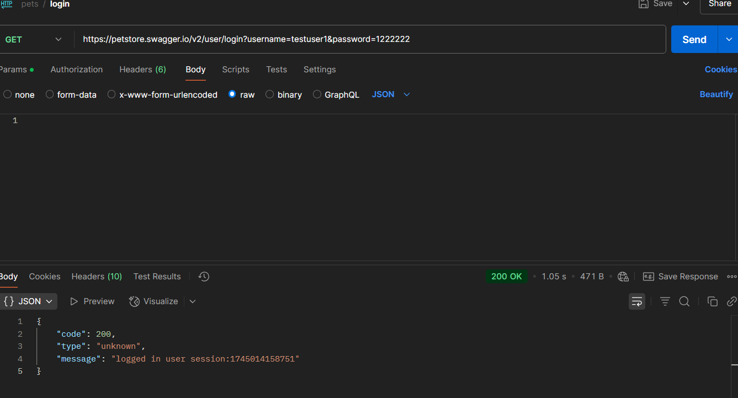
 |  | TC09 | Login - empty fields | Login with missing username/password | API is up | Send GET with empty query |  | 400 Bad Request | 200 OK | fail | Low | Negative | 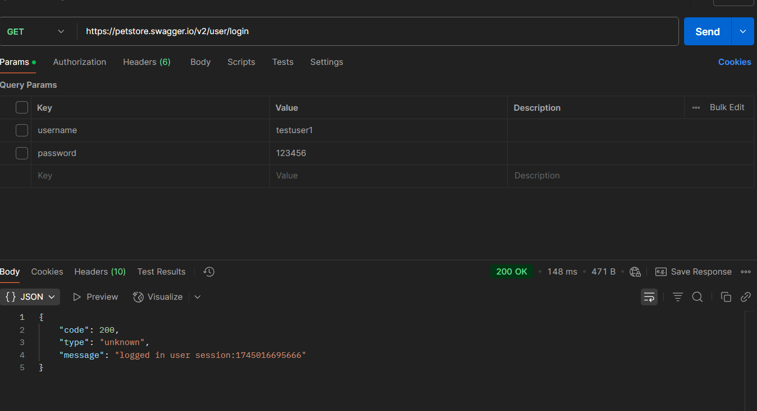
REQ04 | SCN04 | TC010 | Logout after login | Logout with active session | User logged in | Send GET /user/logout |  | 200 OK | 200 OK | pass | Medium | Positive
 |  | TC011 | Logout with POST method | Use POST instead of GET | API is up | Send POST to /user/logout |  | 405 Method Not Allowed | 405 Method Not Allowed | pass | Low | Negative
 |  | TC012 | Logout - headers only | Logout with only headers set | API is up | Send puT to /user/logout |  | 405 Method Not Allowed | 405 Method Not Allowed | pass | Low | Negative
REQ05 | SCN05 | TC013 | Update valid user | Update details for existing user | User exists | Send PUT /user/testuser1 | Updated user JSON | 200 OK | 200 OK | pass | High | Positive
 |  | TC014 | Update non-existing user | Try to update unknown user | User does not exist | Send PUT /user/unknown | "username": "unknown" | 404 Not Found | "code": 200, "type": "unknown", "message": "1001" } | fail | Medium | Negative | 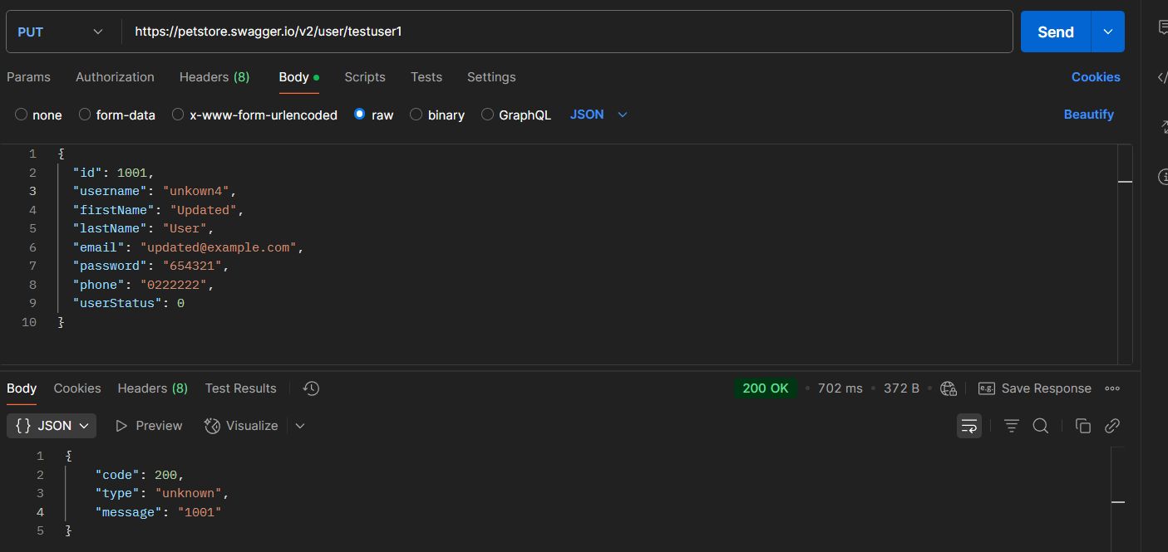
 |  | TC015 | Update - invalid email | Use bad email in update | User exists | Send PUT with bad email | "fff@mem.com", | 400 Bad Request | "code": 200, "type": "unknown", "message": "1001" | fail | Low | Negative | 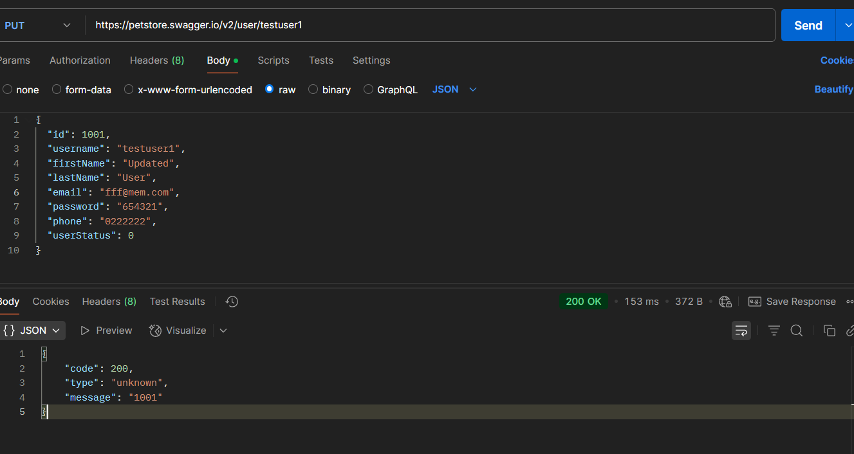
REQ06 | SCN06 | TC016 | Delete existing user | Delete an available user | User exists | Send DELETE /user/testuser1 |  | 200 OK | 200 OK | pass | High | Positive
 |  | TC017 | Delete same user again | Try deleting already deleted user | User was deleted | Send DELETE /user/testuser1 again |  | 404 Not Found | 404 Not Found | pass | Medium | Negative
 |  | TC018 | Delete - empty username | Send DELETE with empty username | API is up | Send DELETE /user/ |  | 405 Method Not Allowed | 405 Method Not Allowed | pass | Low | Negative
REQ07 | SCN07 | TC019 | Create user - valid data | Create user with all valid fields | API is up | Send POST to /user | Valid user JSON | "code": 200, "type": "unknown", "message": "1001" | "code": 200, "type": "unknown", "message": "1001" } | pass | High | Positive
 |  | TC020 | Create user - missing field | Try creating user without username | API is up | Send POST without username | Missing username field | 400 Bad Request | "code": 200, "type": "unknown", "message": "1001" } | fail | Medium | Negative | 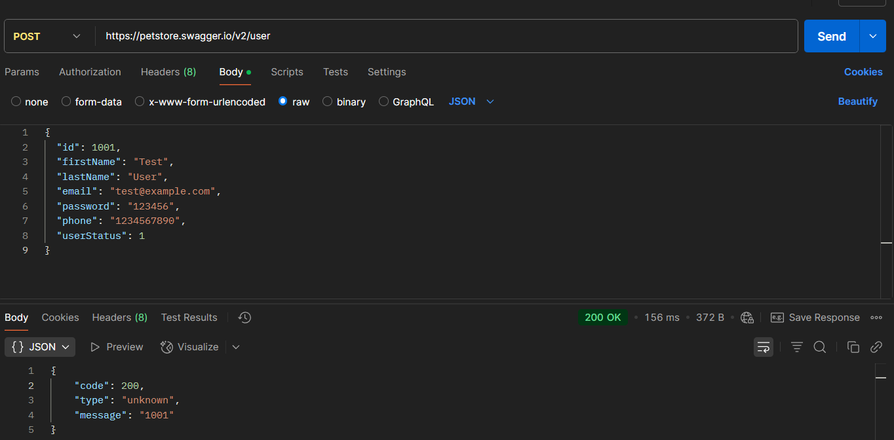
 |  | TC021 | Create user - invalid email | Try creating user with malformed email | API is up | Send POST with bad email | memo@memcom | 400 Bad Request | "code": 200, "type": "unknown", "message": "1001" } | fail | Low | Negative | 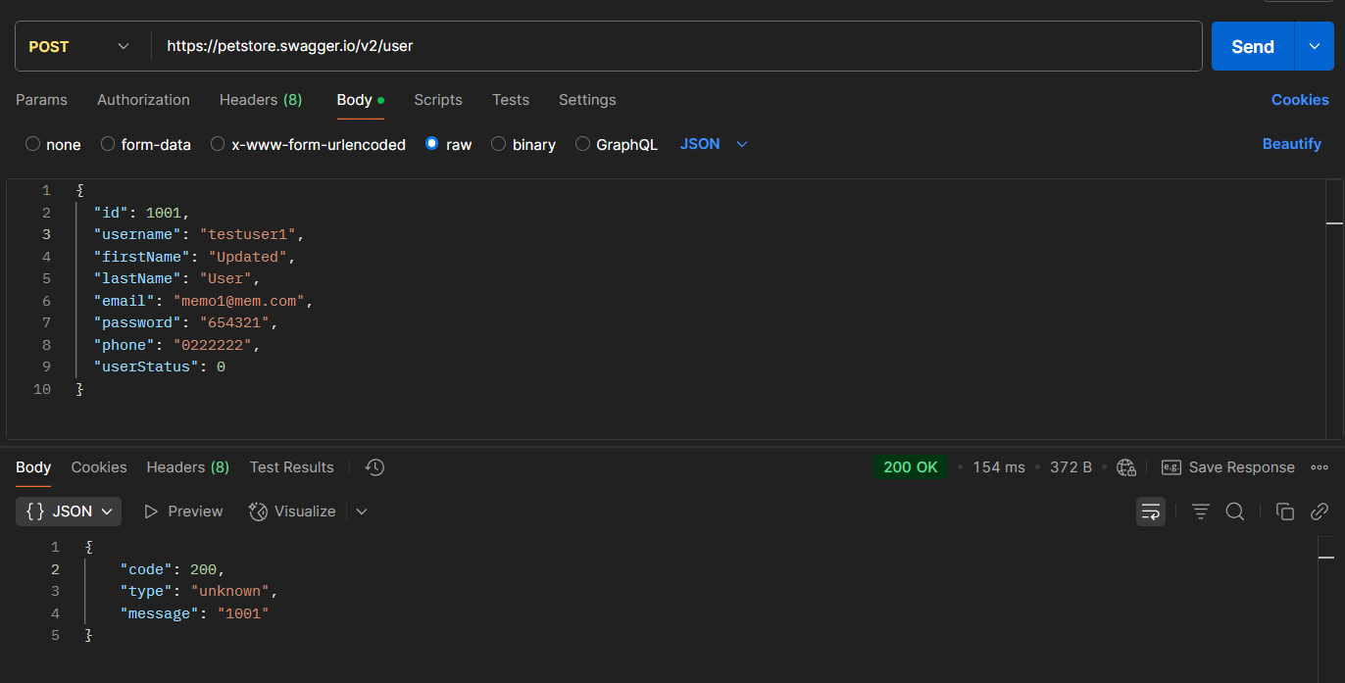
REQ08 | SCN08 | TC022 | Create users with array-valid data | try Create users with valid array | API is up | send post to user array |  | "code": 200, "type": "unknown", "message": "ok" | "code": 200, "type": "unknown", "message": "ok" | pass | High | Positive

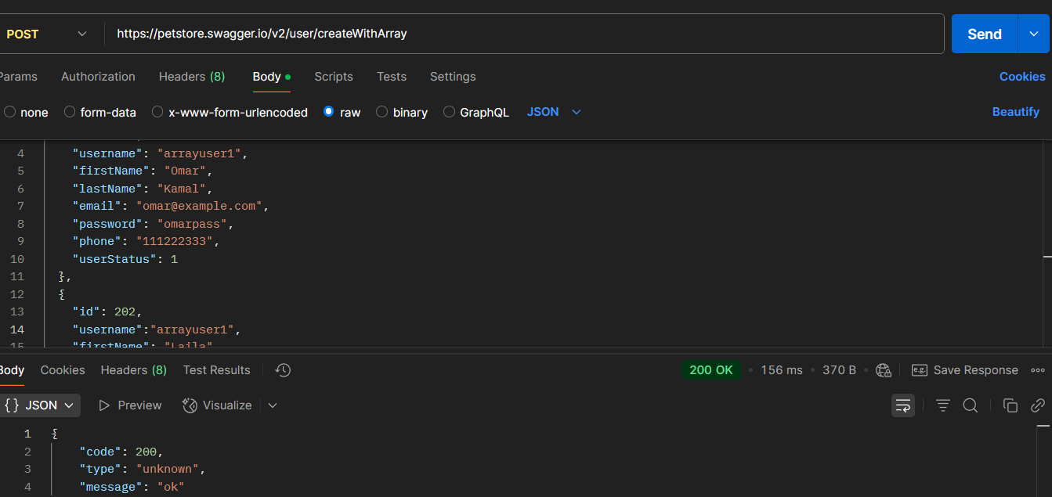
 |  | TC023 | Create users with array-Duplicate usernames | try Create users with Duplicate usernames | API is up | send post with Duplicate usernames | arrayuser1 | 409 Conflict or error | "code": 200, "type": "unknown", "message": "ok" | fail | Medium | Negative

 |  | TC024 | Create users with array-Empty array | try Create users with Empty array | API is up | send post with Empty array | [] | 400 Bad Request | 200 OK | fail | Low | Negative | 